FOMO Survey
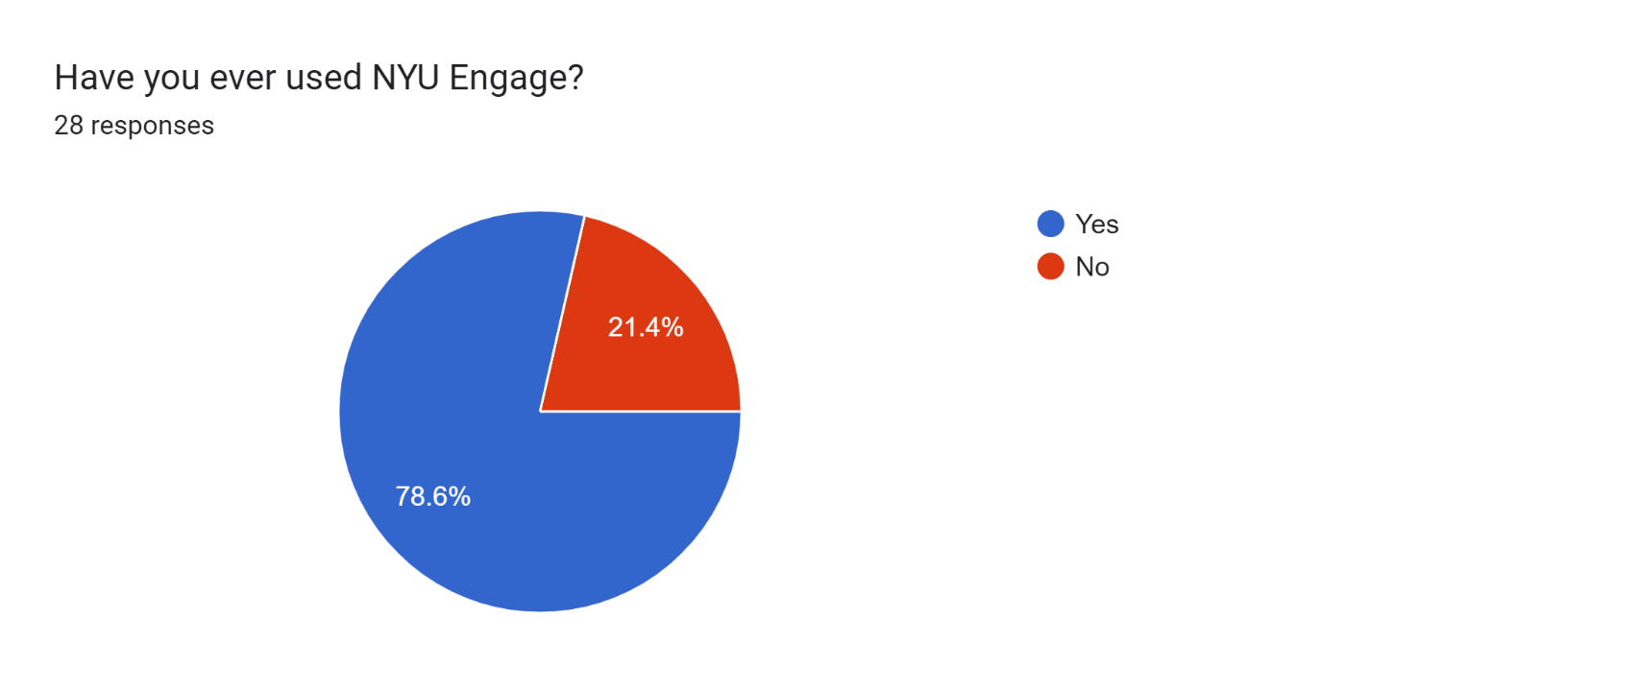
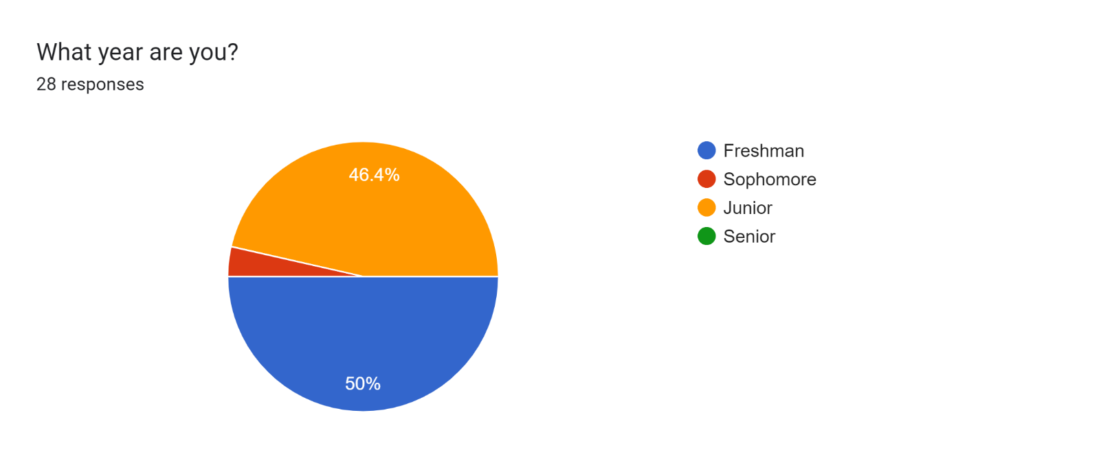
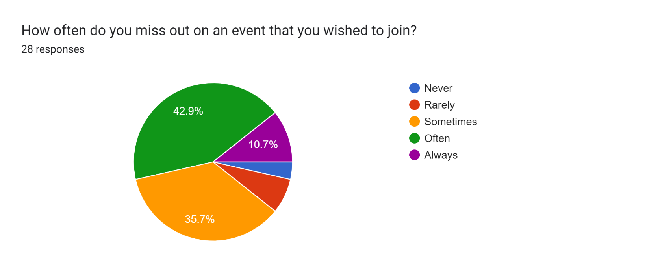
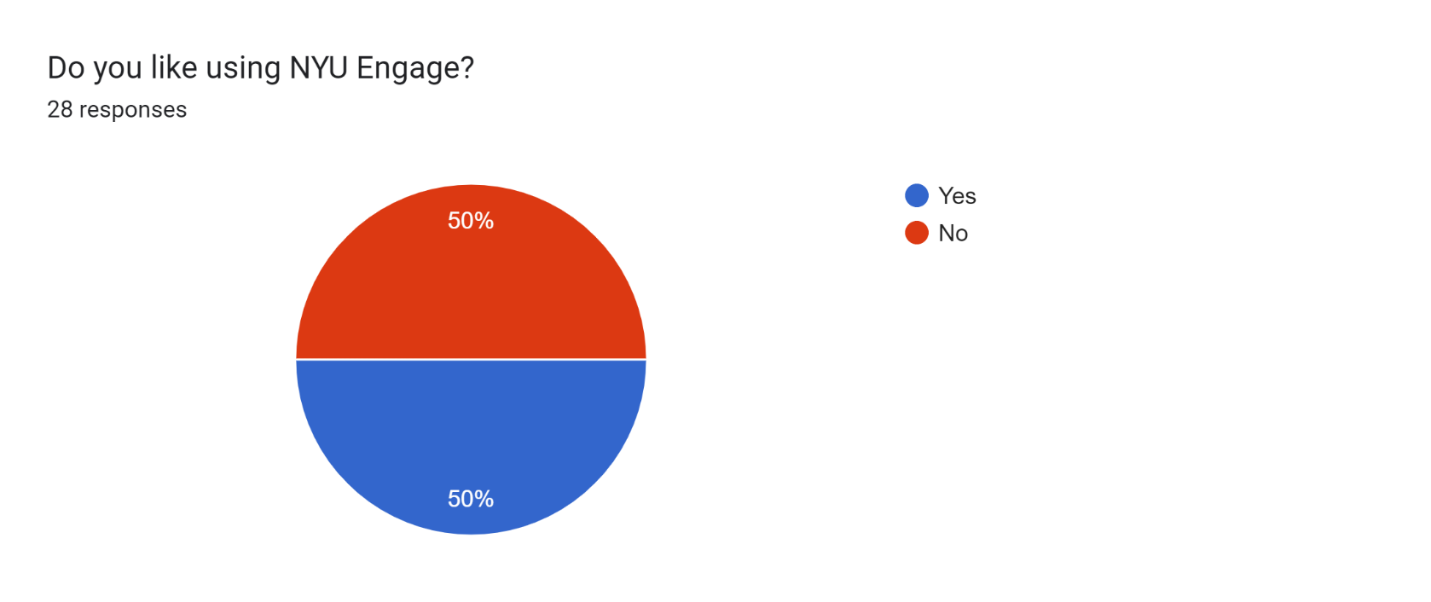
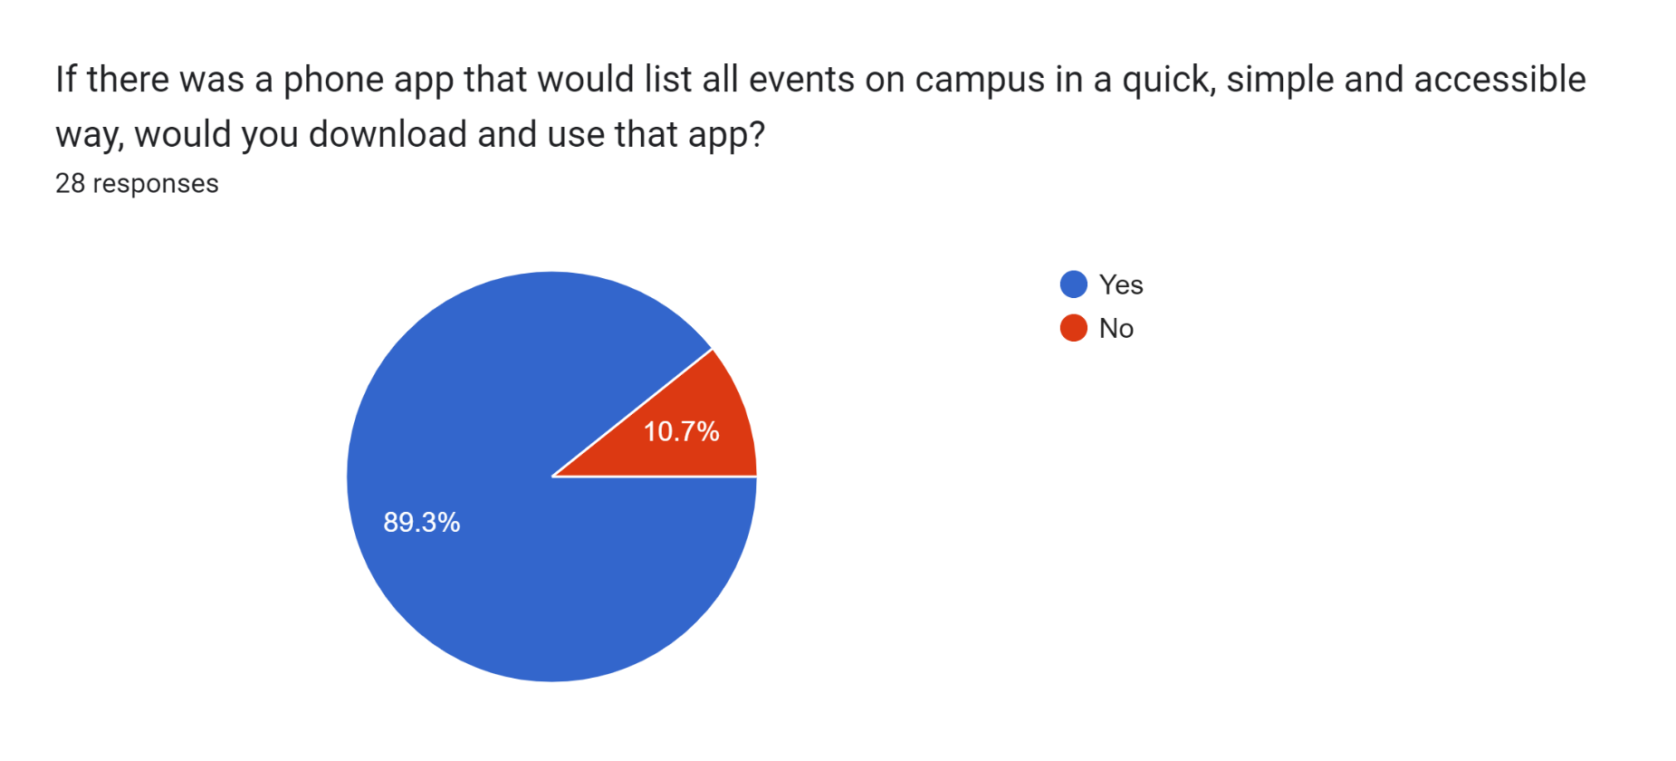
Timestamp | What year are you? | How often do you miss out on an event that you wished to join? | Have you ever used NYU Engage? | Do you like using NYU Engage? | If No, why is it that you don't like about it? (Please explain in a couple of sentences) | If there was a phone app that would list all events on campus in a quick, simple and accessible way, would you download and use that app? | If you were able to add any features for this app, what would they be?
2022/11/13 12:03:15 AM GMT+4 | Freshman | Sometimes | No | No | Iâ€™ve never tried using it. | No | If I can register for different events using this app, and get reminders so that I wonâ€™t miss any event again.
2022/11/13 12:11:02 AM GMT+4 | Freshman | Often | Yes | Yes | N/A | Yes | All events on campus are available with the, date, timing and location and a description about that event
2022/11/13 12:12:40 AM GMT+4 | Freshman | Often | Yes | Yes | - | Yes | -
2022/11/13 12:17:21 AM GMT+4 | Freshman | Sometimes | Yes | Yes | N/A | Yes | Guests
2022/11/13 12:19:18 AM GMT+4 | Freshman | Often | Yes | Yes | NA | Yes | unsure
2022/11/13 12:19:32 AM GMT+4 | Freshman | Always | Yes | No | hard to use | Yes | easy to use
2022/11/13 12:21:18 AM GMT+4 | Freshman | Always | Yes | Yes | N/A | Yes | Class time and program time clashes
2022/11/13 12:22:49 AM GMT+4 | Freshman | Often | Yes | Yes | I said yes, but I donâ€™t really use it often. | Yes | Maybe see the people that are already going (know the people youâ€™re going with)
2022/11/13 12:24:33 AM GMT+4 | Freshman | Rarely | Yes | Yes | / | Yes | calendar, reminder, sort by time/length/organiser/type
2022/11/13 1:20:23 AM GMT+4 | Freshman | Never | Yes | Yes | - | No | -
2022/11/13 1:56:52 AM GMT+4 | Freshman | Often | Yes | No | Difficult to navigate, not user friendly or intuitive | Yes | Reservations for events, syncing events to Google calendar automatically, managing reservations with ease (canceling)
2022/11/13 2:34:57 AM GMT+4 | Freshman | Rarely | Yes | Yes | N/A | Yes | easy to use format
2022/11/13 9:37:40 AM GMT+4 | Freshman | Often | Yes | Yes | . | Yes | a calendar and a list of all events
2022/11/13 11:30:52 AM GMT+4 | Freshman | Sometimes | Yes | Yes | N/A | Yes | N/A
2022/11/13 12:23:49 PM GMT+4 | Junior | Often | No | No | Itâ€™s uninviting and complex | Yes | have the ability to rate the event
2022/11/13 1:07:58 PM GMT+4 | Junior | Often | Yes | Yes | NA | Yes | NA
2022/11/13 1:08:33 PM GMT+4 | Junior | Always | No | No | Idk if I like using it or not bc I never used it before | No | No idea
2022/11/13 1:08:48 PM GMT+4 | Junior | Often | Yes | No | feels like extra effort to go into, and the interface isnâ€™t super friendly | Yes | friends recommending events
2022/11/13 1:13:26 PM GMT+4 | Junior | Sometimes | No | No | Because Iâ€™ve never used it | Yes | ?
2022/11/13 1:15:09 PM GMT+4 | Junior | Sometimes | Yes | No | Itâ€™s not very user friendly | Yes | Notifications for events based on timing when they occur and for when we can sign up
2022/11/13 1:18:54 PM GMT+4 | Junior | Sometimes | Yes | No | Itâ€™s inconvenient to keep logging in to know about the events | Yes | Add reminders, event details, rsvp directly
2022/11/13 1:30:14 PM GMT+4 | Junior | Sometimes | Yes | No | can be inconvenient to sign in all the time | Yes | food that is available at the event too
2022/11/13 1:35:35 PM GMT+4 | Sophomore | Often | No | No | Takes so much time to login | Yes
2022/11/13 1:37:42 PM GMT+4 | Junior | Sometimes | Yes | No | It's too convoluted, I'd rather fill out a google form than log in to RSVP for an event (yes I'm very lazy). Also it doesn't show the full members list for SIGS | Yes | Reminders, google calendar invites, event recordings/notes
2022/11/13 1:54:56 PM GMT+4 | Junior | Sometimes | Yes | Yes | I choose yes | Yes | Notifications of events, being able to directly register for the even through the app, easy way to search for events
2022/11/13 2:23:04 PM GMT+4 | Junior | Sometimes | Yes | No | Itâ€™s low-key weird | Yes | Really comprehensive sorting mechanisms
2022/11/13 2:28:34 PM GMT+4 | Junior | Often | Yes | Yes | - | Yes | -
2022/11/13 2:32:58 PM GMT+4 | Junior | Often | No | No | It is complicated | Yes | Easy RSVP

